Data Charatcerization
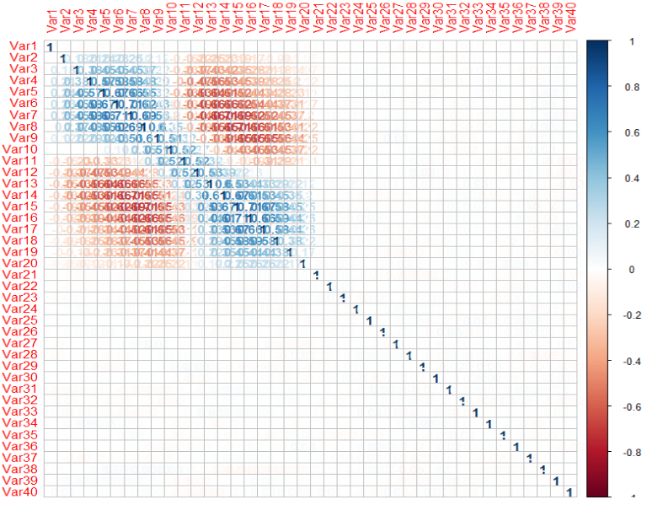
Please fill the following details
Describe the data as you understand in 2-3 lines: | It is a Numerical Data which describes the measures of the waveforms. It is a classification problem.
Write the objective in 2-3 lines | To predict the waveform noise and classify the data accordingly.

Data Dimension
# of records | 5000
# of attributes | 41
Type of class attribute | factor
# of categorical attributes | 1
# of numeric attributes | 40
# of missing values | 0
% missing values | 0%
#of attributes with greater than 20% Missing Value | 0
#of rows with greater than 20% Missing Values | 0
#of Levels in Categorical Attribute <Attribute Name> | 0
#of Levels in Taget Variable | 3
#of Correlated Variables (> 70%) | 2
#of near zero variance variables | 0
Is there any Class imbalance in target variable? | No
Proportions of Target Class Levels | 33% each
# of DATE Variables | 0
# of Attributes that can be directly used for model building | 40
# of Attributes that require Feature Engineering | 0
Descriptive Statistics
Attribute name | Average | Median | Standard Deviation | Min value | Max value | # of missing values
Var1 | -0.01856 | -0.03 | 1.001376 | -3.54 | 3.35 | 0
Var2 | 0.326166 | 0.31 | 1.038729 | -3.22 | 4.25 | 0
Var3 | 0.650104 | 0.64 | 1.178916 | -3.07 | 4.72 | 0
Var4 | 1.003314 | 0.92 | 1.421484 | -3.27 | 5.68 | 0
Var5 | 1.35229 | 1.2 | 1.668542 | -3.47 | 6.66 | 0
Var6 | 2.0094 | 1.84 | 1.836581 | -3.24 | 7.81 | 0
Var7 | 2.665556 | 2.53 | 2.032674 | -2.97 | 8.53 | 0
Var8 | 2.681282 | 2.73 | 1.757478 | -2.71 | 7.56 | 0
Var9 | 2.6763 | 2.825 | 1.668996 | -2.26 | 7.33 | 0
Var10 | 2.996004 | 3.01 | 1.524579 | -1.72 | 7.86 | 0
Var11 | 3.322468 | 3.16 | 1.64947 | -1.04 | 8.27 | 0
Var12 | 2.994794 | 3.02 | 1.531561 | -1.76 | 7.82 | 0
Var13 | 2.647354 | 2.78 | 1.659625 | -2.34 | 6.9 | 0
Var14 | 2.671456 | 2.75 | 1.764309 | -2.74 | 8.82 | 0
Var15 | 2.644 | 2.47 | 2.003287 | -2.51 | 8.72 | 0
Var16 | 1.98184 | 1.82 | 1.802697 | -2.83 | 7.75 | 0
Var17 | 1.338196 | 1.18 | 1.668563 | -3.97 | 6.65 | 0
Var18 | 0.98692 | 0.89 | 1.414216 | -3.63 | 6.05 | 0
Var19 | 0.65328 | 0.63 | 1.199572 | -3.62 | 4.81 | 0
Var20 | 0.328568 | 0.31 | 1.063832 | -3.11 | 4.62 | 0
Var21 | -0.005346 | 0 | 1.006257 | -3.64 | 3.67 | 0
Var22 | -0.02259 | -0.02 | 1.001572 | -3.25 | 3.72 | 0
Var23 | 0.0144 | 0.01 | 0.976453 | -3.34 | 3.91 | 0
Var24 | -0.001414 | -0.01 | 1.012328 | -3.59 | 3.33 | 0
Var25 | -0.002196 | 0 | 1.000681 | -3.73 | 3.88 | 0
Var26 | -0.01193 | -0.02 | 0.9812154 | -3.53 | 3.91 | 0
Var27 | 0.000286 | 0.02 | 0.9868099 | -3.43 | 3.85 | 0
Var28 | 0.01315 | 0.01 | 1.005839 | -3.73 | 3.59 | 0
Var29 | 0.00044 | 0.02 | 0.9924307 | -3.63 | 3.79 | 0
Var30 | -0.009886 | -0.01 | 0.9861978 | -3.45 | 3.47 | 0
Var31 | 0.00179 | 0 | 0.9993554 | -3.54 | 3.78 | 0
Var32 | 0.030428 | 0.04 | 0.9920195 | -3.41 | 3.19 | 0
Var33 | 0.01387 | 0.03 | 1.015413 | -3.44 | 3.38 | 0
Var34 | 0.033194 | 0.06 | 1.003251 | -3.73 | 4.04 | 0
Var35 | 0.010934 | 0 | 1.003844 | -3.49 | 3.55 | 0
Var36 | 0.018974 | 0.01 | 0.9932787 | -3.52 | 3.33 | 0
Var37 | -0.025552 | -0.03 | 0.9921622 | -3.39 | 3.32 | 0
Var38 | -0.010842 | -0.03 | 0.995722 | -3.29 | 3.72 | 0
Var39 | -0.004842 | 0 | 1.010485 | -3.51 | 3.33 | 0
Var40 | 0.025928 | 0.03 | 1.002822 | -3.75 | 3.5 | 0

Attribute name | # of unique levels | # of missing values
Type | 3 | 0

Correlation matrix of numeric attributes

